Sheet1
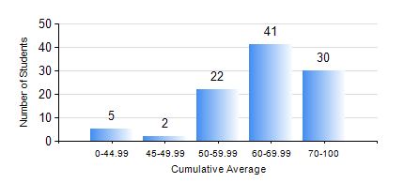
 |  |  | KWAME NKRUMAH UNIVERSITY OF SCIENCE AND TECHNOLOGY, KUMASI Department of Chemical Engineering

 |  |  | BSC. PETROCHEMICAL ENG.

 |  |  | COMPREHENSIVE RECORD OF EXAMINATION RESULTS

 |  |  | RESULTS OF YEAR 1 SECOND SEMESTER, 2018/2019 ACADEMIC YEAR

 | Sn | Course Code |  | Course Name | Credit Hours | Min. Mark | Max. Mark | Avg. Mark | Std. Dev. | No. Passed | No. Trailed | No. (Df) | No. (I) | No. (I*) | No. Tagged(I,I*,Df) | Total
 | 0. |  |  |  |  |  |  | 0 | 0 | 0 | 0 | 0 | 0 | 0 | 0 | 2
 | 1. | CHE 156 |  | PHYSICAL CHEMISTRY FOR ENGINEERS | 2 | 0 | 96 | 68 | 18.45 | 93 | 5 | 0 | 0 | 0 | 0 | 98
 | 2. | EE 152 |  | BASIC ELECTRONICS | 2 | 0 | 89 | 70 | 14.41 | 95 | 3 | 0 | 0 | 0 | 0 | 98
 | 3. | ENGL 158 |  | COMMUNICATION SKILLS II | 2 | 0 | 80 | 62 | 12.53 | 95 | 3 | 0 | 0 | 0 | 0 | 98
 | 4. | MATH 152 |  | CALCULUS WITH ANALYSIS | 4 | 0 | 76 | 57 | 13.68 | 93 | 5 | 0 | 0 | 0 | 0 | 98
 | 5. | ME 162 |  | BASIC MECHANICS | 3 | 0 | 88 | 65 | 15.89 | 94 | 4 | 0 | 0 | 0 | 0 | 98
 | 6. | PCE 158 |  | INTRODUCTION TO INFORMATION TECHNOLOGY | 2 | 0 | 81 | 62 | 13.42 | 94 | 4 | 0 | 0 | 0 | 0 | 98
 | 7. | PHY 170 |  | GENERAL PHYSICS | 3 | 0 | 80 | 61 | 12.61 | 93 | 5 | 0 | 0 | 0 | 0 | 98

